Sheet1
problem 1
1000 |  | 1.14 | 1140 |  | 75 | 55 |  | 24624
sf |  | cfm/sf | cfm sa |  |  |  |  | sensible load
 |  |  | for load
 |  |  |  |  |  |  |  |  | 1
1140 cfm required to meet load
problem 2
0.12 |  | 1000 | 120
10 |  | 30 | 300
 |  |  | 420 | cfm to meet ashrae

problem 3
1000 |  | 10 | 0.2 |  | 60 |  | 33.333333333
sf |  | ft | acph |  |  |  | cfm
 |  |  |  |  |  |  | for,pressurization
problem 4

1140
cfm supply air cfm

problem 5
1106.6666667
Return turn CFM
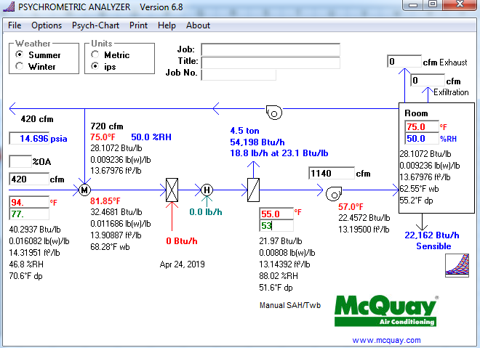

problem 6
4.5 | tons
54,198 | btuh
problem 7
1140 |  | 1.08 | 100 |  | 55 |  | 55404

problem 8
55404 |  | 500 | 20 |  | 5.5404 | gpm hhw
btuh |  |  |  |  |  | reheat coil
 |  |  |  |  | 1.0 inch pipe
 |  |  |  |  |  |  |  | btuh reheat coil

problem 9
14x14
16x16 |  | both acceptable answers

problem 10
a. | 4
b. | 1
c. | near the wall the main duct is or anything that makes sense
d. | near the return duct or near the door or on the wall adjacent to the main duct
e. | first section could be 16x16 or 14x14 and second section could be 14x14 or 12x12

